DEFECT REPORT2
PROJECT NAME | MODULE NAME | TEST CASE ID | DEFECT ID | STATUS | SEVERITY | PRIORITY | AUTHOR NAME | BRIEF DESC | STEPS | ACTUAL RESULT | EXPECTED RESULT | PROOFS
INDIAMART.COM | SIGN IN |  | IND0001 | OPEN | HIGH | HIGH | D.AGRAWAL | USER IS UNABLE TO ENTER MOB NO IN MOB NO TEXTFIELD OF SIGN IN POPUP | 1.OPEN THE BROWSER 2.ENTER THE TEXT URL (WWW.INDIAMART.COM) 3.CLICK ON SIGN IN BUTTON 4.ENTER VALID 10 DIGIT NUMBER | ENTER NO IS NOT VISIBLE | ENTER NO SHOULD BE DISPLAYED | LINK OF SCREENSHOT

INSTAGRAM | NEW POST |  | INST002 | OPEN | HIGH | HIGH | KEVIN SYSTROM | USER IS UNABLE TO UPLOAD A VIDEO | 1.OPEN THE INSTAGRAM APP | POST IS NOT SELECTED FROM DEVISE |  | SCREENSHOT OF SCREEN WHILE SELECTING FILE
 |  |  |  |  |  |  |  |  | 2.ENTER ON SIGN IN BUTTON
 |  |  |  |  |  |  |  |  | 3.PUT VALID LOGIN CREDENCIAL
 |  |  |  |  |  |  |  |  | 4.CLICK ON POST BUTTTON |  | USER WILL ABLE TO SELECT OR UPLOAD A POST
ZOMATO | PAYMENT |  | ZMT003 | OPEN | HIGH | HIGH | D.GOYAL | USER IS UNABLE TO MAKE PAYMENT | 1.OPEN ZOMATO APP OR WEBSITE | PAMENT FAILURE |  | 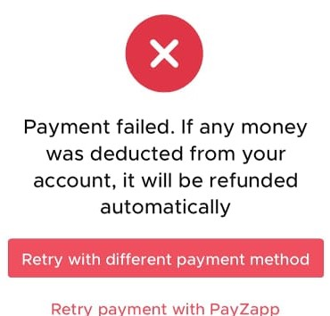
 |  |  |  |  |  |  |  |  | 2.CLICK LOGIN/SIGN IN BUTTON
 |  |  |  |  |  |  |  |  | 3.ENTER VALID DETAILS AND GOES TO ORDER
 |  |  |  |  |  |  |  |  | 4.CLICK ON PAYMENT AND ENTER VALID DEBIT CARD NUMBER |  | USER IS ABLE TO MAKE PAYMENT SUCCESSFULLY
MERCEDES | COVER/HOME PAGE |  | MERCD004 | OPEN | LOW | HIGH | M.LACKEY | USER IS NOT ABLE TO SEE COVER PAGE LOGO SPELLED CORRECTLY | 1.OPEN THE BROWSER | MISTAES IN LOGO |  | 
 |  |  |  |  |  |  |  |  | 2.ENTER THE WEBSITE AND ENTER
 |  |  |  |  |  |  |  |  | GOES TO THE MERCEDES HOME PAGE
 |  |  |  |  |  |  |  |  | 4.CLICK ON LOGO |  | LOGO SPELLED SHOULD BE CORRECT

